Legends
Priority |  | https://www.browserstack.com/guide/bug-severity-vs-priority#:~:text=Bug%20priority%20refers%20to%20how,software%20development%20life%20cycle%20successfully.
Low | Bug can be fixed at a later date. Other, more serious bugs take priority
Medium | Bug can be fixed in the normal course of development and testing.
High | Bug must be resolved at the earliest as it affects the system adversely and renders it unusable until it is resolved.

Severity
Low | Bug won’t result in any noticeable breakdown of the system
Minor | Results in some unexpected or undesired behavior, but not enough to disrupt system function
Major | Bug capable of collapsing large parts of the system
Critical | Bug capable of triggering complete system shutdown

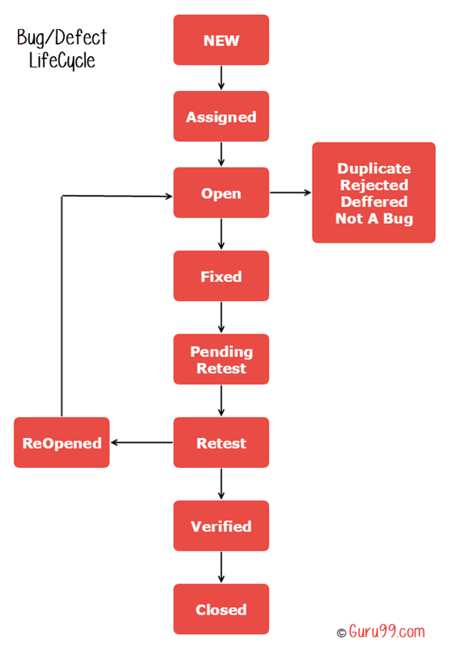
Bug LifeCycle |  |  | https://www.guru99.com/defect-life-cycle.html
New
Assigned
Open
Reopend
Fixed
Retest
Verified
Closed

Bugs List
Bug ID | Bug Titlte | Bug Description | Evidence | Priority | Severity | Status | Opened By | Assignee | Date Created
1 | Selenium java and appium does not exist | Steps: 1. Given go to homepage 2. When go to services Actual result: Selenium java and appium does not exist Expected result: Selenium java and appium exists Test data: N/A |  | Medium | Critical | Fixed | Nhan | Son | 2022-11-24 | Req
2 | "Nội dung khóa họ" is missing "c" | Steps: 1. Given go to homepage 2. When go to services 3. And scroll down the line "Nội dung khóa họ" Actual result The line "Nội dung khóa họ" is missing "c" Expected result: "Nội dung khóa học" has been fixed Test data: N/A |  | Low | Low | Closed | Nhan |  | 2022-11-24 | Cosmetic
3 | Bank account is in correct | Steps: 1. Given go to homepage 2. When go to services 3. And scroll down the bank account Actual result Bank account is incorrect Expected result: Bank account is correct Test data: N/A |  | High | Critical | Closed | Nhan |  | 2022-11-24 | Money
4 | The best hotel deal from all the top hotel sites didn't show on request | Steps: 1. Given go to homepage 2. When fill information in the form and click search Actual result The best hotel deal from all the top hotel sites don't show on request Expected result: The best hotel deal from all the top hotel sites show on request Test data: N/A | 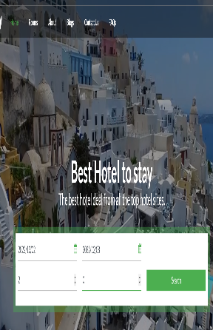 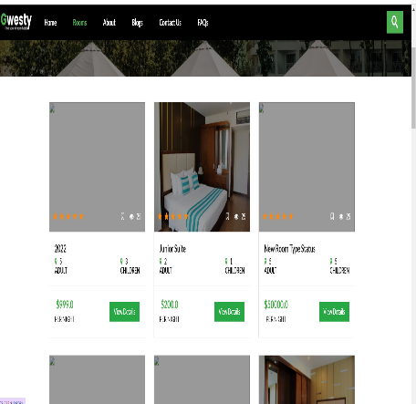 | Medium | Major | Open | Nhan
5 | Recommended Destinations can’t select | Steps: 1. Given go to homepage 2. When drag down Recommended Destinations Actual result: Recommended Destinations can’t select Expected result: Recommended Destinations can select Test data: N/A | 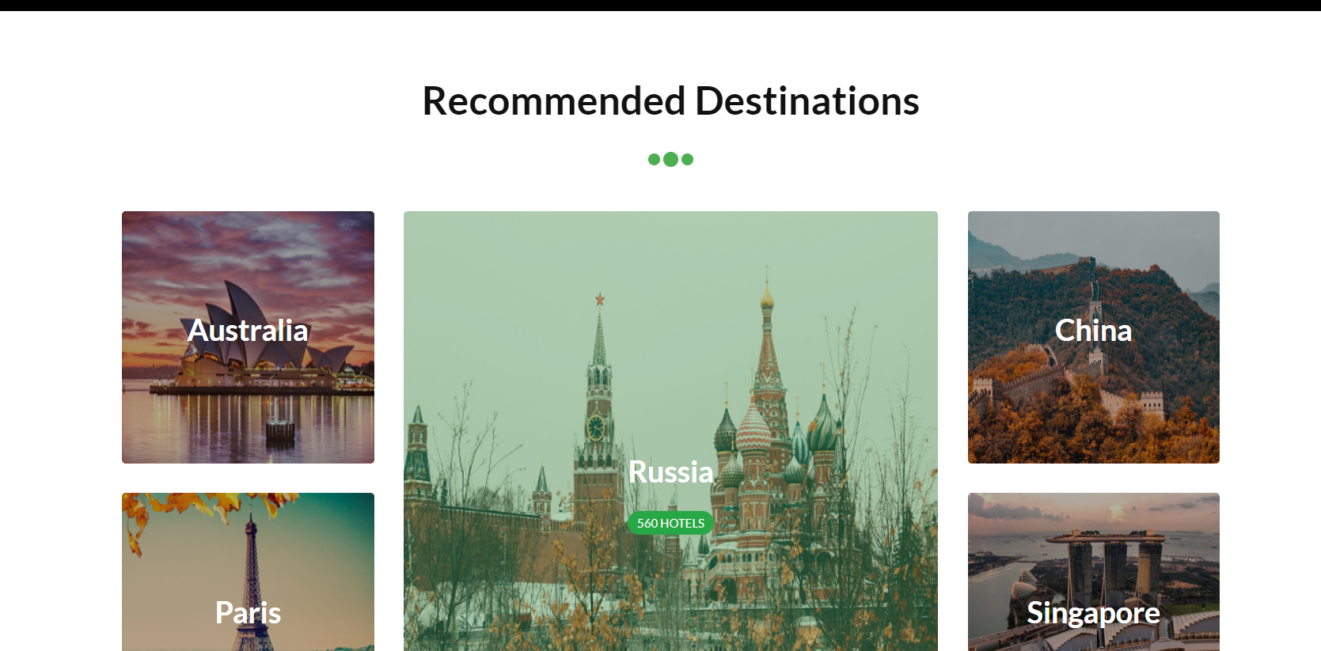 | Medium | Major | Open | Nhan
6 | The information of partner don't show | Steps: 1. Given go to homepage 2. When drag down Our Partners 3. And click on the any partner Actual result: The information of partner can’t show Expected result: The information of partner can show Test data: N/A | 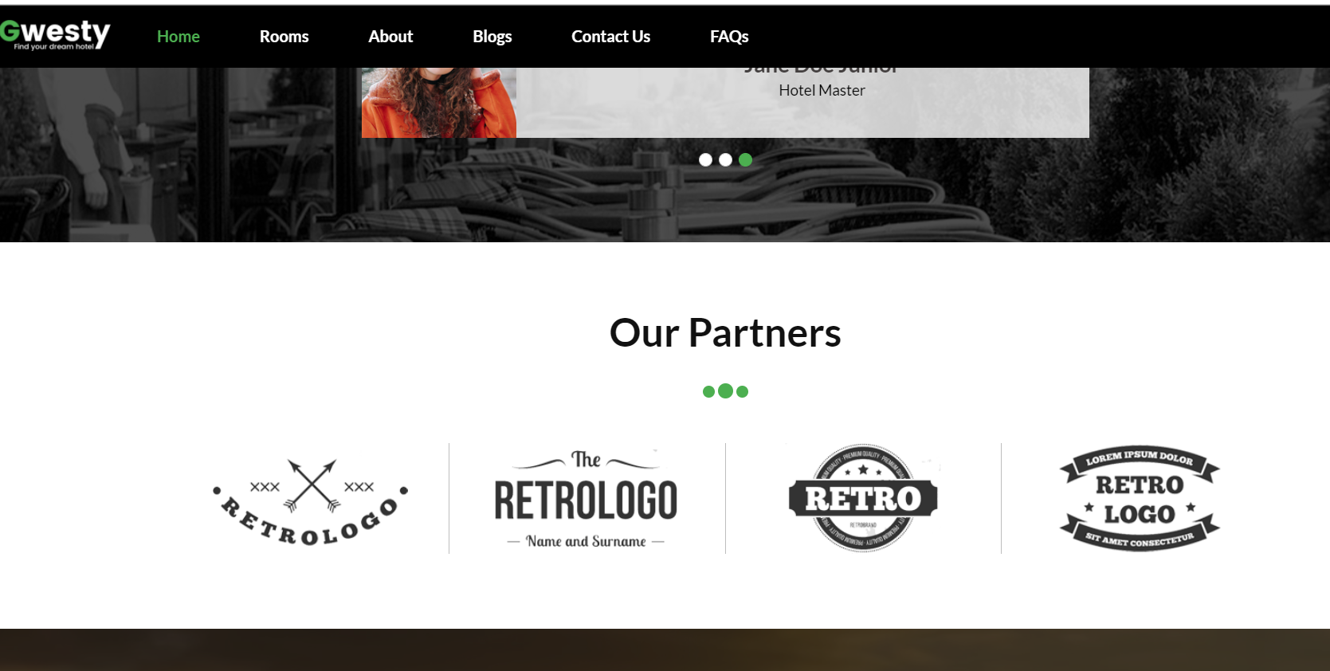 | Medium | Major | New
7 | Don't sign up to join the newsletter | Steps: 1. Given go to homepage 2. When drag down Join the newsletter 3. And fill account to register and click on sign up now Actual result: Don't sign up to join the newsletter Expected result: Sign up to join the newsletter Test data: N/A |  | Medium | Major | New
8 | The link is incorrect | Steps: 1. Given go to homepage 2. When drag down to the bottom 3. And select any link Actual result The link is incorrect Expected result: The link is correct Test data: N/A | 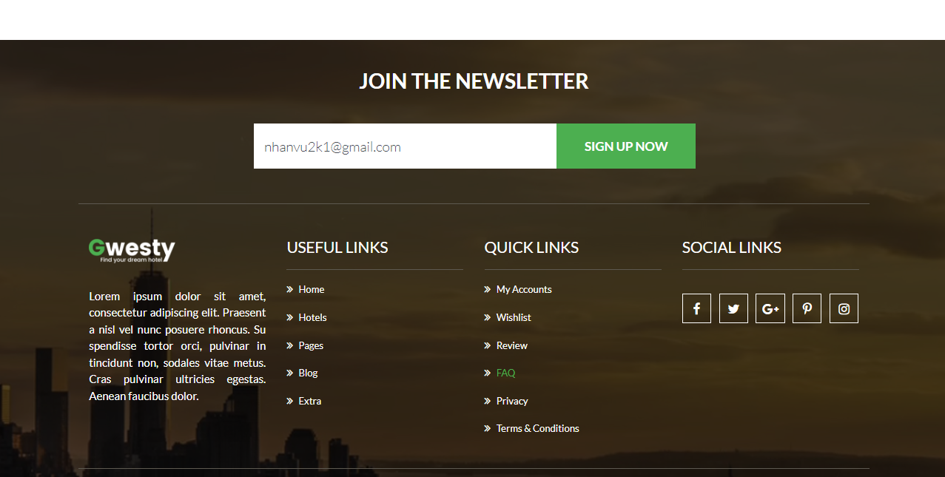 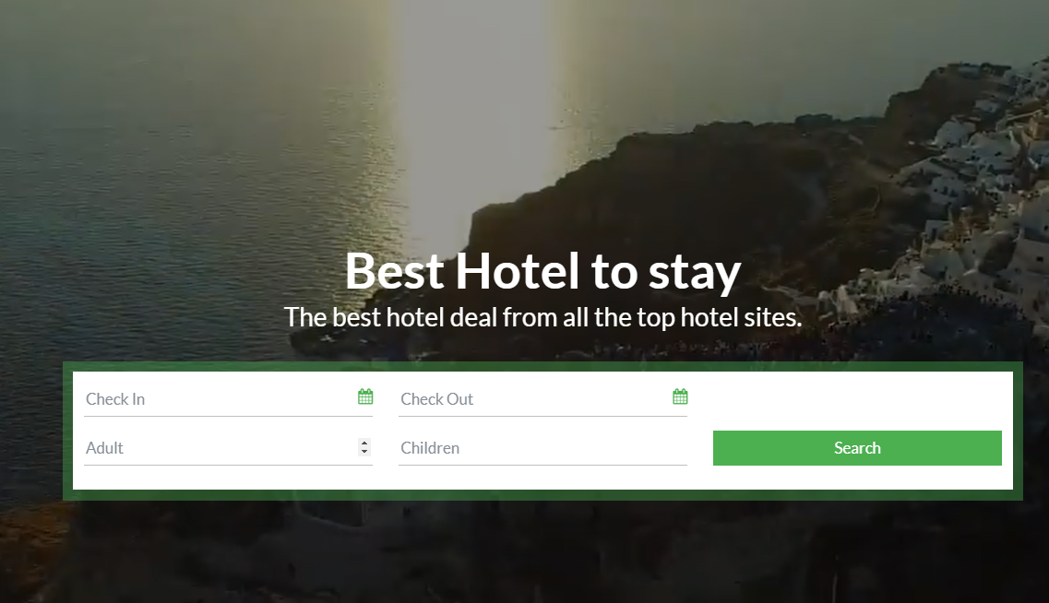 | Medium | Major | New
9 | The blog can't read more | Steps: 1. Given go to homepage 2. When go to blog 3. And select any blog and click on the read more Actual result The blog can't read more Expected result: The blog can read more Test data: N/A |  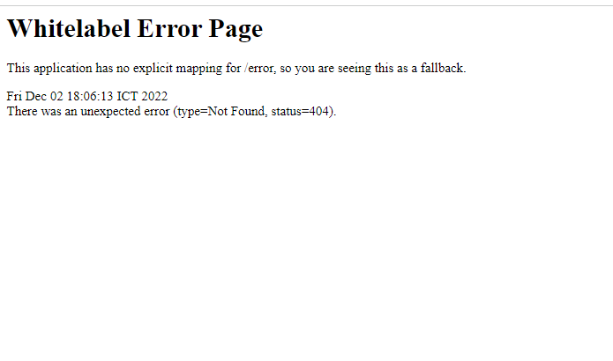 | Low | Minor | New
10
11
12
13
14
15
16
17
18
19
20
21 |  |  |  |  |  |  |  |  | 2022-11-24 | #3
22
23
24
25
26
27
28
29
30
31
32
33
34
35

